Cover
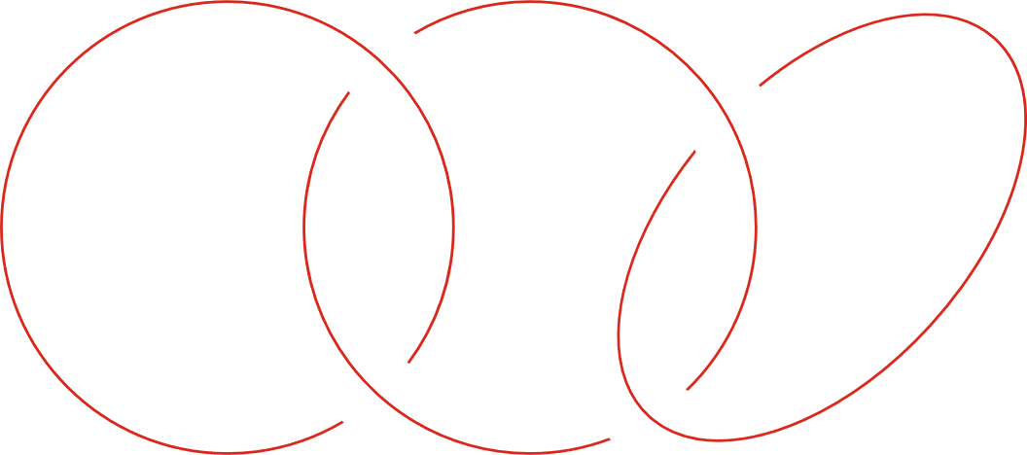
Pillar 3 report Storebrand Bank Group (unaudited)

2026 2nd quarter

